Sheet1
Test Case | Result | Expected | Observation
T1_APPROVE | Pass | User should upload all document as per config and Agent extracts and validates and Approve the the compliance recommendation | 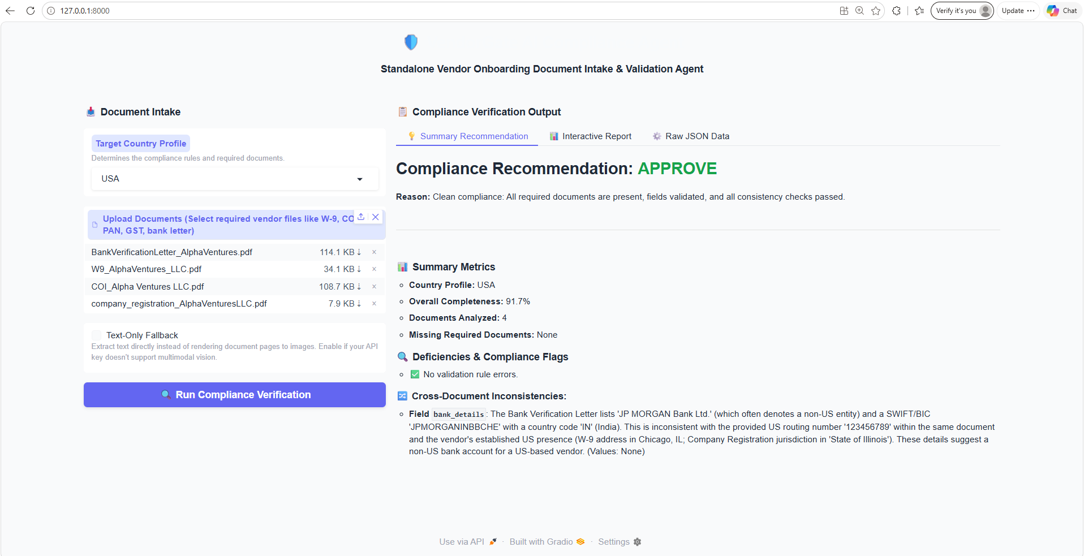
T2_ESCALATE | pass | User should upload all the documents except one required document as per config, and Agent should Escalate the compliance recommendation | 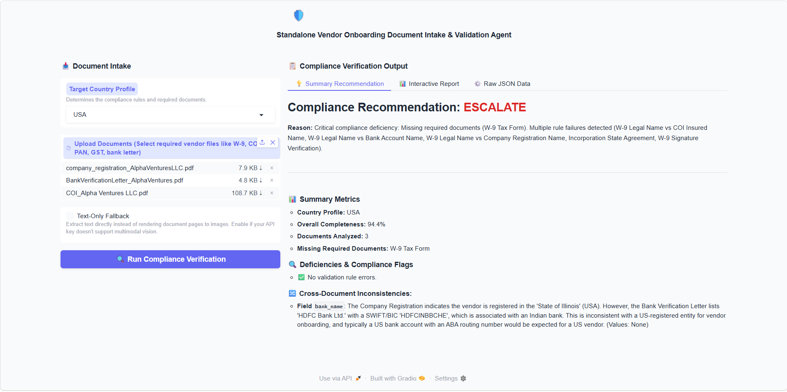
T3_REQUEST_INFO | pass | User should upload a document with missing information - Scenario : the signature should be missing from w9 form and Agent should highlight this | 